Sheet1
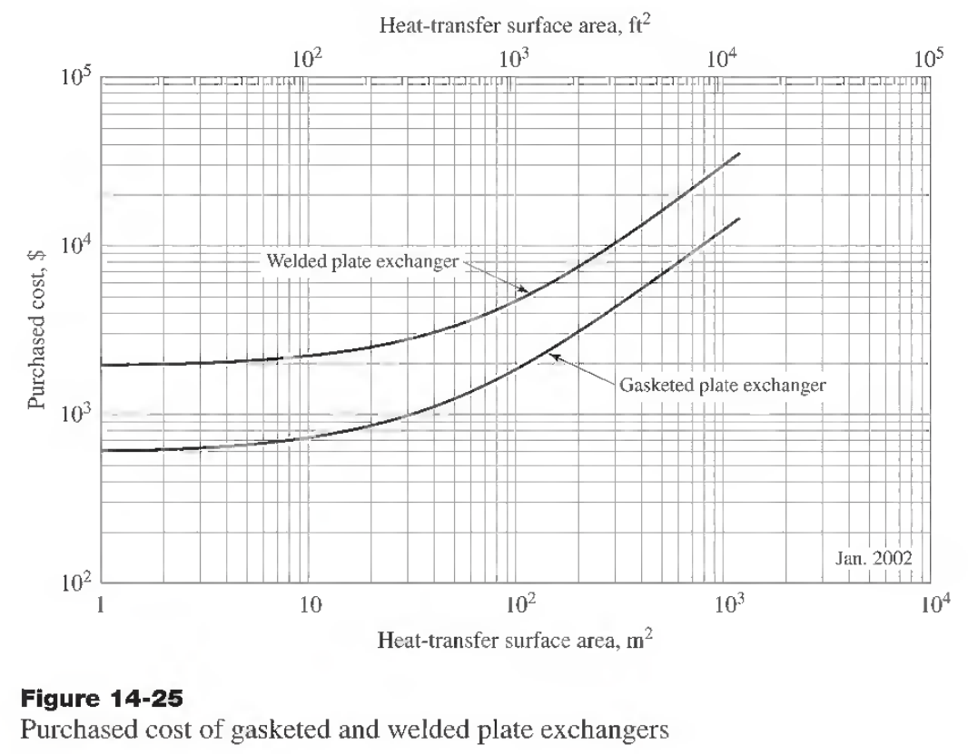
Area | Cost 2002 USA | CEPCI Ratio | Cost 2019 USA | Currency USD/TL | Cost 2019 Turkey

10 | 730 | 1.5340909091 | 1120 | 7.38 | 8843
20 | 850 | 1.5340909091 | 1304 | 7.38 | 10297
30 | 1000 | 1.5340909091 | 1534 | 7.38 | 12114
40 | 1150 | 1.5340909091 | 1764 | 7.38 | 13931
50 | 1300 | 1.5340909091 | 1994 | 7.38 | 15748
60 | 1440 | 1.5340909091 | 2209 | 7.38 | 17444
70 | 1560 | 1.5340909091 | 2393 | 7.38 | 18898
80 | 1670 | 1.5340909091 | 2562 | 7.38 | 20231
90 | 1810 | 1.5340909091 | 2777 | 7.38 | 21927
100 | 1890 | 1.5340909091 | 2899 | 7.38 | 22896

